Manual
 | Homebush TOD
 | Affordable Housing Cash Contributions
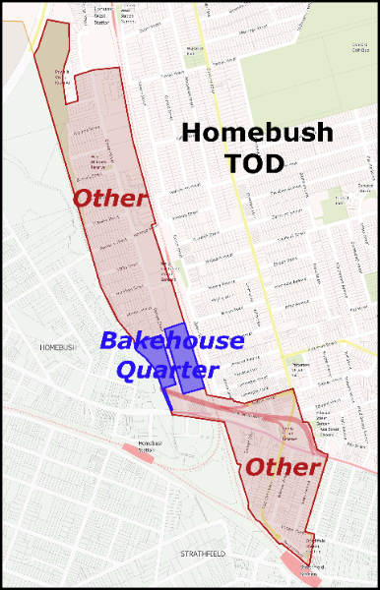
To calculate the amount of monetary Affordable Housing contributions (i.e. cash contributions) that apply to a development, based on its estimated market value on completion.

Instructions | Fill in blue shaded cells in the Calculator, based on site-specific information

Step 1 | Location
 | Enter the precinct within the Homebush TOD that the site is located from the dropdown list - Bakehouse Quarter or Other
 |  | Refer to the map on this page, or go to the Affordable Housing Contribution Scheme Map at https://www.planningportal.nsw.gov.au/spatialviewer/#/find-a-property/address

Step 2 | Total Dwelling Yield
 | Enter the total proposed dwelling yield
 |  | This will be checked against cell C11

Step 3 | Number of units
 | Enter the number of proposed units for each unit type (i.e. 1 bedroom, 2 bedroom, 3 bedroom)
 |  | A % unit mix will be calculated based on this.
 |  | The % unit mix will determine the weighted dollar ($) contributions required.

Step 4 | Average size of units
 | Enter the average unit sizes by unit type.
 |  | The selection of GFA unit sizes will depend on information provided in the DA documents
 |  | Average sale prices have been pre-entered based on Atlas' advice at June 2025.
 |  | A weighted average sale price will be calculated in cell D18 (GFA calculation)

Result | Affordable housing contribution to be paid
 | Based on the above inputs, the total AH contribution required is calculated in cell C33

Limitations
 | The value advice provided is indicative and applicable to the Homebush TOD Precinct in general terms only. The range of sale prices reflect:
 | 1 | Apartment projects of average, standard built quality and improvements
 | 2 | Building storeys of circa 10 to 20 storeys - reflecting building height controls in the Homebush TOD Precinct
Monitoring
 | Reviews of these contribution rates will be carried out to ensure relevance in the current market context, following quarterly indexation to the median strata dwelling price (NSW Government Rent and Sales Report).

